Sheet1
 | Document No. |  | Issue No. | Issue Date |  |  | Review and Replace Date |  | Authorised By
 | GFF398MC |  | 2 | 14.08.2023 |  |  | 17.03.2026
 | Document Title |  | Panang Chicken with Fragrant Rice 400g
 |  |  |  |  |  |  |  |  | Magda Shah
Document amendments reason for change | Chicken's product code & Chilled life added |  |  | Page 1 of 1 |  | Previous Issue Date |  | 14.08.2023 | Uncontrolled copy unless signed original

CCPANCR-R4TCC(N) |  | GAZEBO CUISINE |  |  | Panang Chicken with Fragrant Rice 400g
STEP 1
 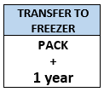 |  |  |  |  | 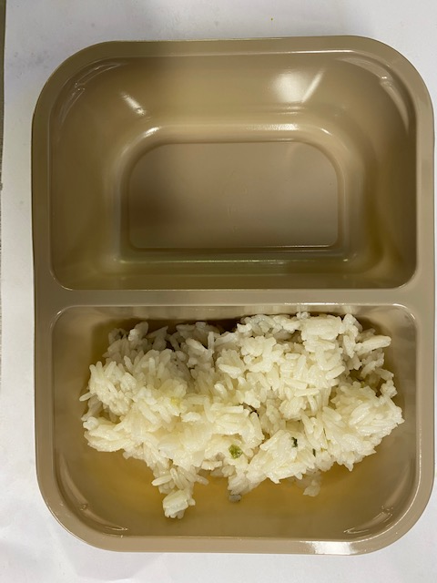

Tray: Evolve CPET 2200-2F (PKRHP001-10) |  |  |  |  | Fragrant Rice (GFF448R): 180g

Film: K peel 7G+25A/f- 275mm (275 mmX1000) (PKKMP001-03)

STEP 3 |  |  |  |  | STEP 4
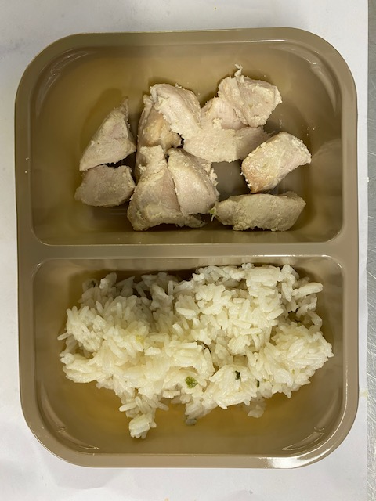 |  |  |  |  | 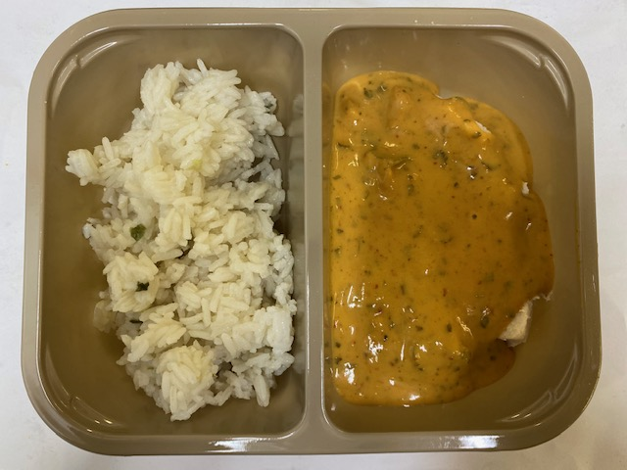
Chicken to be brought into H/R on day of packing

20-25mm Steam Cooked Diced Chicken (RMVES001-01/ RMFOO002-03/ RMJAN001-03): 60g |  |  |  |  | Panang Curry Sauce (GFF199R): 160g |  |  |  | TOTAL WEIGHT: 400G

ALLERGY ALERT: BARLEY, CRUSTACEAN, FISH, SESAME, SOYA, WHEAT

 |  |  |  |  |  |  |  |  |  | COOK +
 |  |  |  |  |  |  |  |  |  | 14 Days

